Sheet1
Operational Resilience Self-Assessment Template
Risk ID | AI System / Use Case | Risk Description | Risk Category | Likelihood (1-5) | Impact (1-5) | Risk Score | Existing Controls | Residual Risk Level | Mitigation Plan | Risk Owner | Target Review Date | Status
1 | AI Chatbot | Generates biased or discriminatory replies | Ethical / Fairness | 4 | 5 | 20 | Manual QA of training data | High | Retrain using diversified datasets | Compliance Team | 2025-08-31 | Open
2 | Predictive Analytics Engine | Use of sensitive customer data without consent | Data Privacy | 3 | 5 | 15 | Encryption of data | Medium | Enable data anonymization & consent checks | Privacy Officer | 2025-09-15 | In Progress
3 | Fraud Detection AI | Incorrect fraud flags causing service issues | Operational | 2 | 4 | 8 | Rule-based override system | Low | Improve model precision via retraining | Risk Management Team | 2025-10-01 | Open
4 | Image Recognition Model | Facial recognition errors with minorities | Ethical / Fairness | 4 | 4 | 16 | Limited deployment scope | Medium | Conduct fairness audits quarterly | AI Ethics Committee | 2025-08-10 | In Progress
5 | AI Recruitment Tool | Screening resumes unfairly based on demographics | Regulatory Compliance | 3 | 5 | 15 | Compliance checks in hiring | Medium | Update model features & audit outcomes | HR Department | 2025-09-30 | Open
6 | NLP Sentiment Analyzer | Misinterpretation of customer feedback sentiment | Operational | 3 | 3 | 9 | Regular model evaluation | Low | Refine sentiment classification thresholds | CX Team | 2025-09-05 | In Progress
7 | AI-based Financial Advisor | Algorithm recommends high-risk investments | Regulatory Compliance | 2 | 5 | 10 | Periodic compliance reviews | Low | Include human oversight before final recommendations | Legal Compliance Team | 2025-08-20 | Open
8 | Generative AI Content Tool | Generates copyrighted content accidentally | Intellectual Property | 3 | 4 | 12 | Manual content review process | Medium | Implement plagiarism detection prior to publishing | Marketing Department | 2025-09-12 | Open
9 | AI Cybersecurity Monitor | Misses detection of sophisticated cyberattacks | Security | 4 | 5 | 20 | Layered monitoring controls | High | Upgrade threat detection algorithms | IT Security Team | 2025-08-18 | In Progress
10 | AI Decision Support System | Opaque decision-making (“black-box” outcomes) | Explainability/Trust | 5 | 4 | 20 | Documented model explanations | High | Adopt interpretable models or explainability layers | AI Development Team | 2025-09-25 | Open
11 | AI-Powered HR Analytics | Employee profiling leading to privacy violations | Data Privacy | 3 | 5 | 15 | Role-based data access control | Medium | Conduct regular privacy impact assessments | HR Team | 2025-10-01 | Open
12 | Voice Recognition System | Voice data leakage or unauthorized recordings | Security | 3 | 4 | 12 | Data encryption in transmission | Medium | Review and enforce voice data retention policies | Cybersecurity Team | 2025-08-15 | In Progress

Download Now!
 |  | 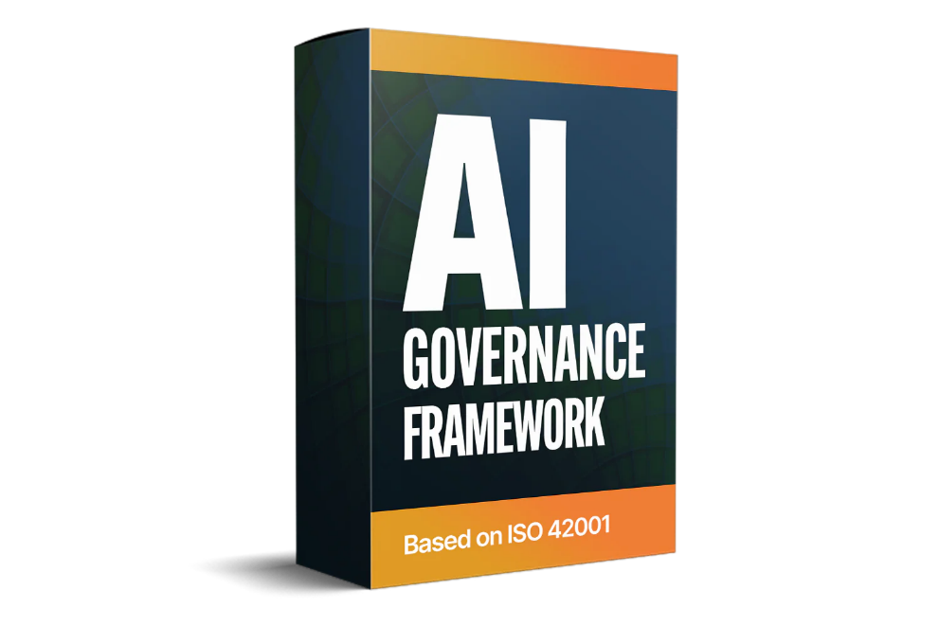

 |  |  |  | Simplify AI Risk Assessment the DIY Way with Our Instantly Downloadable Toolkit. Get 29 professionally crafted, ready-to-use templates designed by AI governance experts—no consultants required. Save weeks of effort, assess AI-related risks effectively, and align with leading AI Governance Frameworks with confidence.

 |  |  |  | Ø Comprehensive AI Governance Framework Package Based on ISO 42001

 |  |  |  | Ø Developed by Former KPMG and PwC Experts

 |  |  |  | Ø Scalable Solution for Businesses of All Sizes

 |  |  |  | Ø Pre-Designed Templates for Effortless Implementation

 |  |  |  | Ø Detailed AI Governance Implementation Blueprint

